Лист1
Bug report № | 1
Summary | No 400 error in Delete method
Environment | Win 10
Severity | Critical
Attachement | https://petstore.swagger.io/v2/swagger.json
Preconditions
1 | Postman opens with imported "Pet Shop Swagger"
2 | Created a user named "user 101"
Steps to reproduce
1 | Go to the "Delete" method
2 | In the "VALUE" field, enter the value "user101" without a space
3 | Click on the "Send" button
Actual result | User can be deleted displayed 404
Expected result | The response should contain the inscription "Invalid username entered"

Bug report № | 2
Summary | The "Update" method creates a user
Environment | Win 10
Severity | Critical
Attachement | https://petstore.swagger.io/v2/swagger.json
Preconditions
1 | Postman opens with imported "Pet Shop Swagger"
2 | "PUT Updated User" method opened
3 | Data is filled
Steps to reproduce
1 | In the "PUT Updated User" method, click the "Send" button
2 | In the method "Get user by user name" press the button "Send"
Actual result | User is created
Expected result | The response should contain the inscription "User not found"
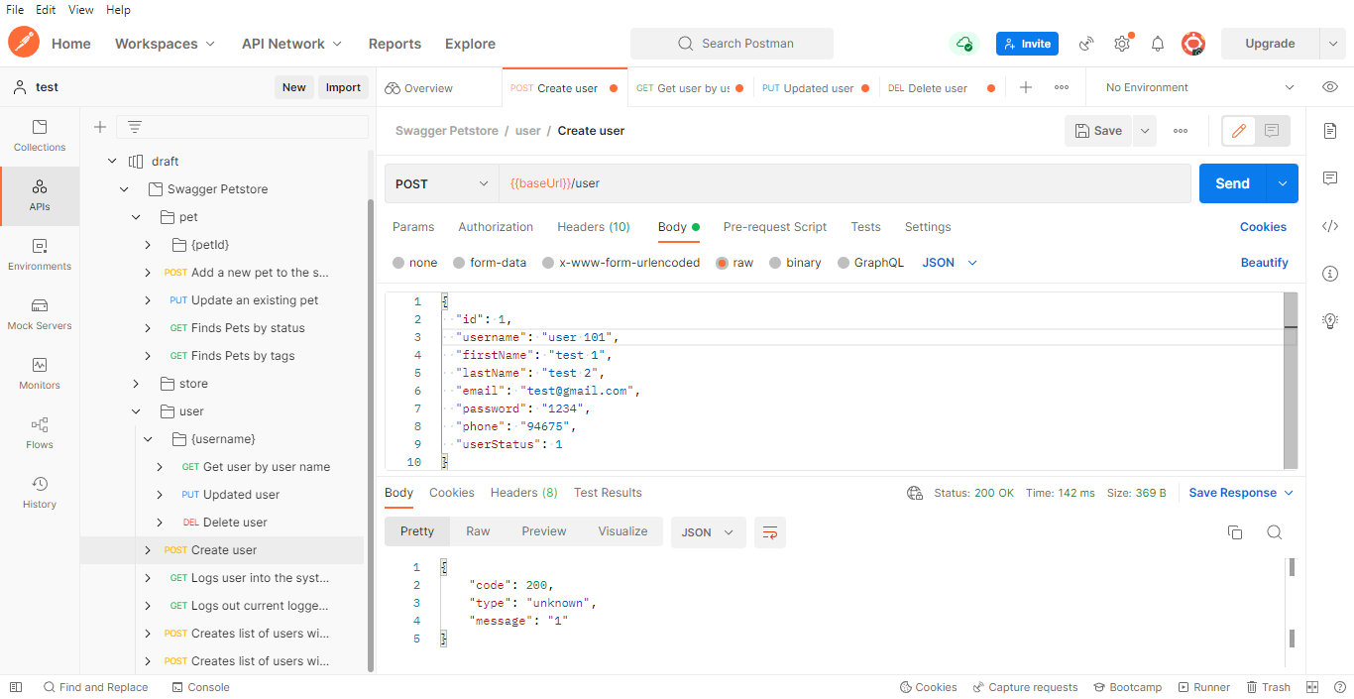

Method "POST create user"

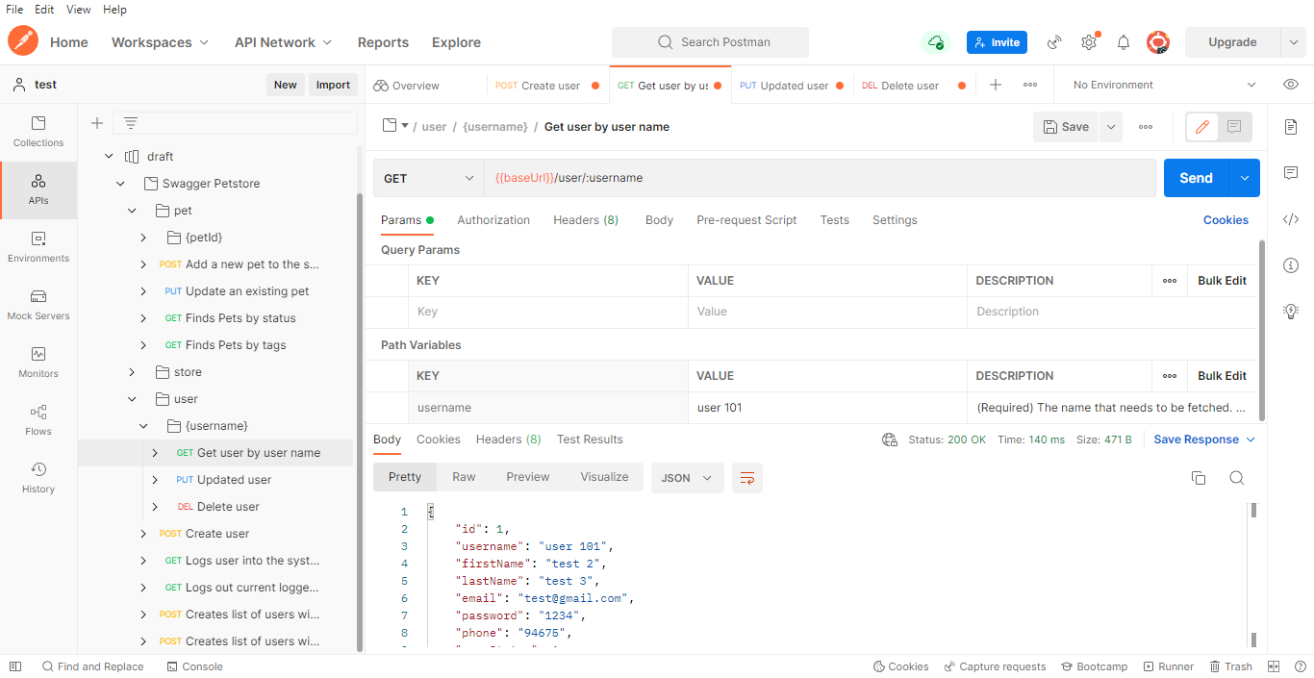

Method "GET user by user name "

